Keterangan
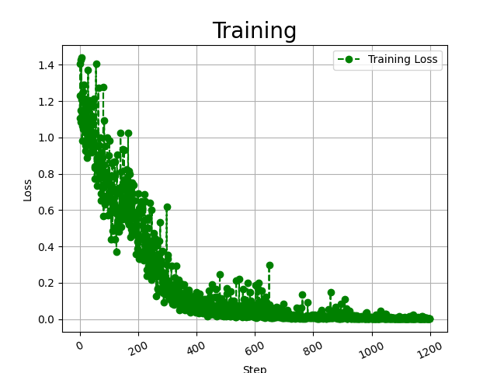
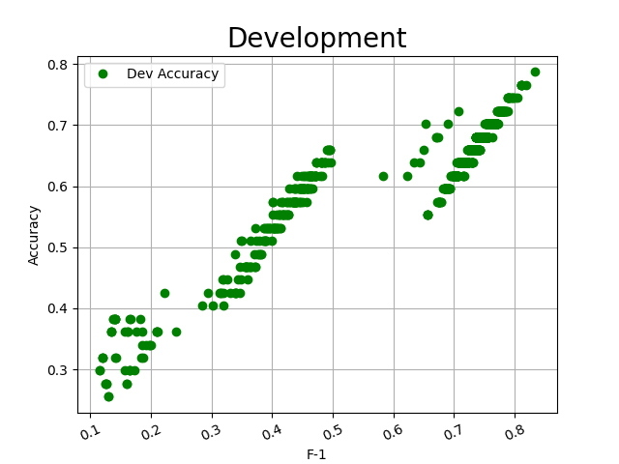
Experiments | Requirements |  | BiomedNLP-PubmedBERT | F-1 | 83%
Uji Coba 1 | Learning Rate | 0.00001 | Batch Size : 16, Iterasi 12, Epoch 48, Step 580, Learning Rate : 0,00001, Dropout : 0,1
Uji Coba 2 | Learning Rate | 0.00002

Analisis Masalah
Preprocessing Data sangat mempengaruhi Hasil F-1
F-1 Class Association Bernilai 1 karena data class Assosiaction sangat sedikit sehingga saat fine-tuning, yaitu saat melatih pre-trained model pada top-layer untuk mengenali feature dari dataset lebih cepat dan akurat
Uji Coba menggunakan 2 pre-trained model biobert dan biomed pubmed bert
Semakin jauh nilai learning rate dari angka 1 maka tingkat akurasi semakin bagus dan mempengaruhi nilai F-1, tapi waktu eksekusi akan semakin lama
tingkat akurasi semakin kecil jika batch size terlalu rendah, urutan batch size 1 2 3 4 5 6 7 8 16 32 64 128 256 1024, standar batch size adalah 16 32 dan 64
Dropout digunakan untuk melatih model dan mencegah overfitting, menghilangkan hidden layer sementara saat proses pelatihan model, neuron dihilangkan dan dipilih secara acak dengan dropout probability 10% atau 0,1
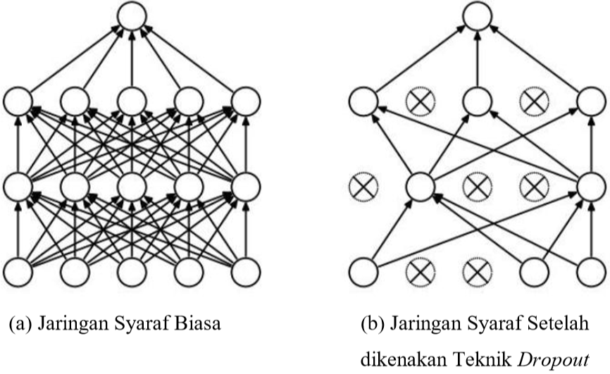

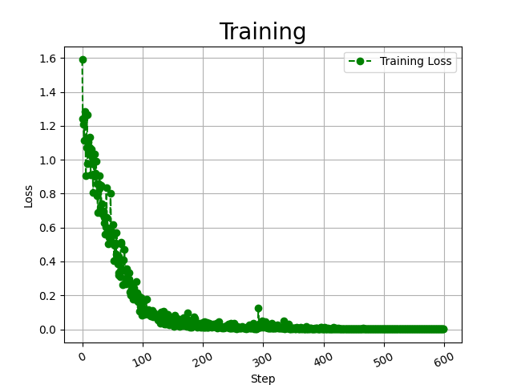
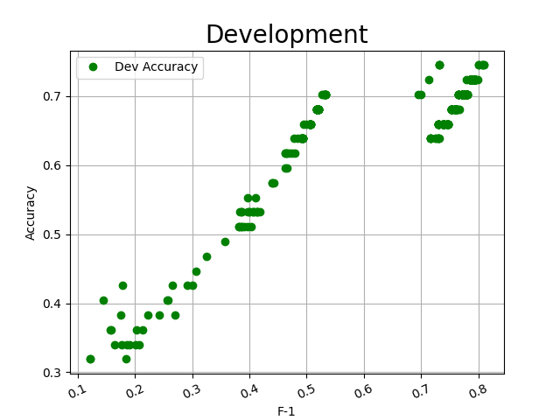
 |  |  | Biobert | F-1 | 81%
 |  |  | Batch Size : 32, Iterasi 6, Epoch 49, Step 299, Learning Rate : 0,00002, Dropout : 0,1

